Module 35
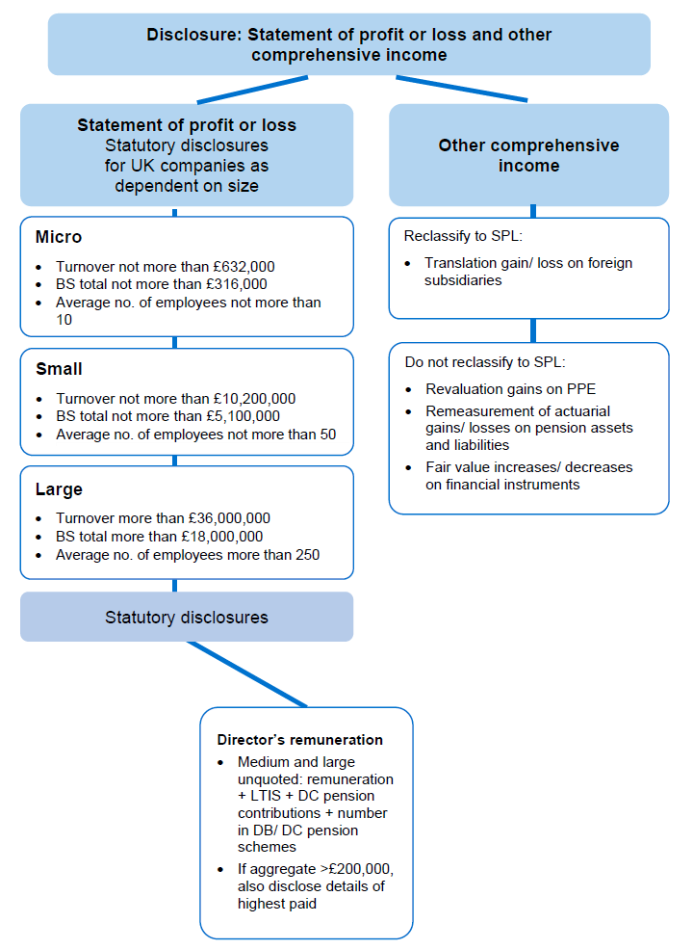
Main

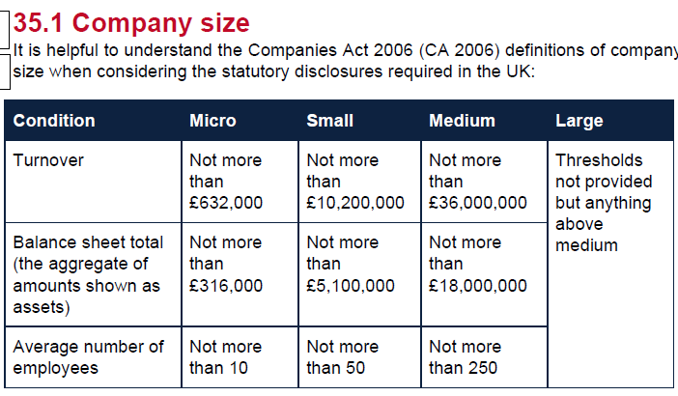

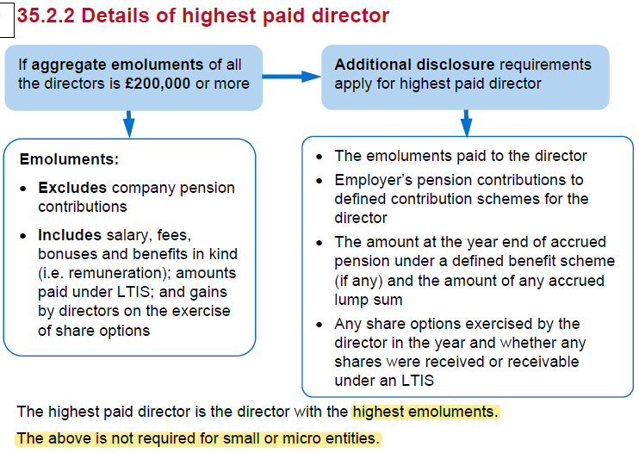

 | Activity 1
 | YE | 2025-03-31

 | SPL

 | Revenue |  |  |  |  | 15675
 | COGS |  |  |  |  | -9890
 | GP |  |  |  |  | 5785

 | wages |  |  |  | -2300
 | depre |  |  |  | -410
 | dist |  |  |  | -615
 | admin |  |  |  | -400 | -3725
 | Finance cost |  |  |  |  | -38
 | Finance income |  |  |  |  | 14
 | PBT |  |  |  |  | 2036
 | tax |  |  |  |  | -582
 | PAT |  |  |  |  | 1454

 | R1 |  |  | Cost of sales | Distributino cost | admin expenses
 |  |  |  | 9,890 | 615 | 400
 | Wages and salaries | 80:15:9 |  | 1,769 | 332 | 199
 | Depr | 70:20:10 |  | 287 | 82 | 41
 |  |  |  | 11,946 | 1,029 | 640

 | SPL |  |  |  |  | £'000
 | Revenue |  |  |  |  | 15,675
 | COGS |  |  |  |  | -11,946
 | GP |  |  |  |  | 3,729
 | distribution cost |  |  |  |  | -1,029
 | Admin exp |  |  |  |  | -640
 | Finance income |  |  |  |  | -38
 | Finance cost |  |  |  |  | 14
 | PBT |  |  |  |  | 2,036
 | Tax |  |  |  |  | 582
 | PAT |  |  |  |  | -1,454

 | R2
 | Determine the size of the company
 | Turnover | £15,675,000 | <36m
 | Medium
 | EE | 114 | <250

 | Directors' | A | B | C
 | salary | 80 | 90 | 65 | 235
 | BIK | 6 |  |  | 6
 | remuneration | 86 | 90 | 65 | 241
 | LTIP bonus |  | 11 |  | 11
 | Emoluments | 86 | 101 | 65 | 252
 | DB pension | 16 | 18 | 13 | 47
 | Directors' remuneration | 102 | 119 | 78 | 299

 | As the emoluments total £252k > £200k, the highest paid director must also be disclosed

 | Directors' remuneration
 | Remuneration |  |  |  | 241
 | LTIP |  |  |  | 11
 | Pension cost |  |  |  | 47
 | Aggregate Directors' remuneration |  |  |  | 299

 | All three directors are members of the defined benfit contribution pension scheme
 | The remuneration of the highest paid director included:

 | emoluments |  |  |  | 101
 | pension cost |  |  |  | 18
 | Remuneration of highest paid Director |  |  |  | 119

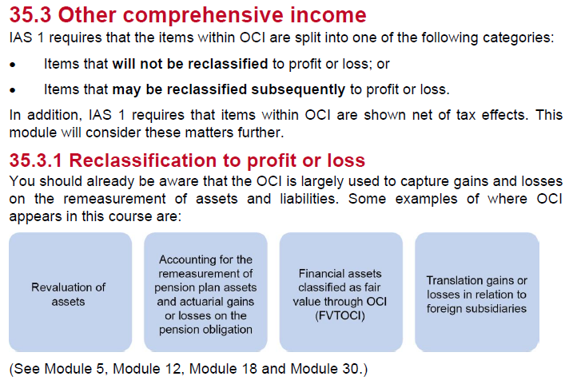

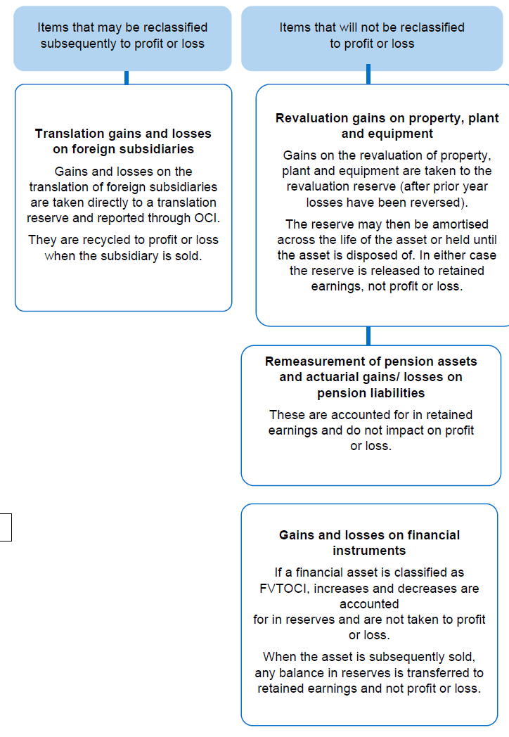

 | Tippee
 | YE | 2015-03-31
 | FV investment increase | 100
 | DTL | 19
 | FV Property increase | 300
 | tax on disposal | 57

 | SOCI |  |  |  | 3500

 | Gains on financial asset |  |  |  | 100
 | gains on property revaluation |  |  |  | 300
 | Taxation relating to item that will no be reclassified |  |  |  | -76
 | OCI for the year, net of tax |  |  |  | 324
 | Total comprehensive income for the year |  |  |  | 3824

 | Tax effects of individual items in other comprehensive income

 |  |  | Gross | Tax (expense)/credit | Net
 | Gains on financial asset |  | 100 | -19 | 81
 | gains on property revaluation |  | 300 | -57 | 243
 |  |  | 400 | -76 | 324

